Q3 23 Research
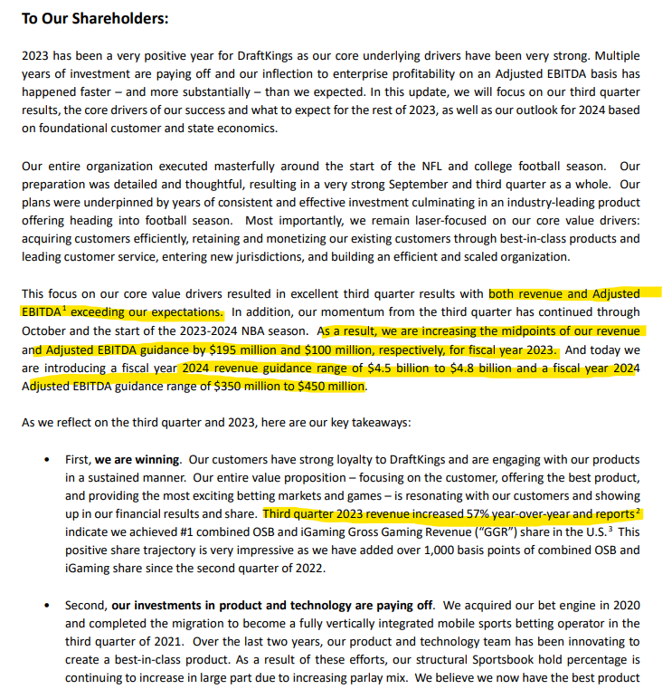
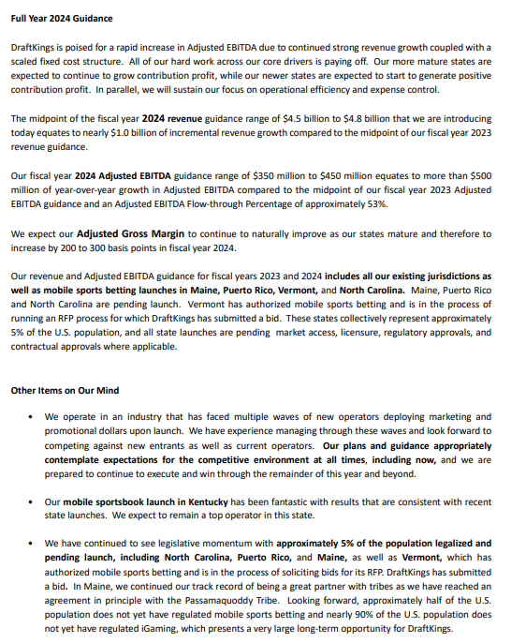
DKNG Equity Research - Based on Q3 2023 Report

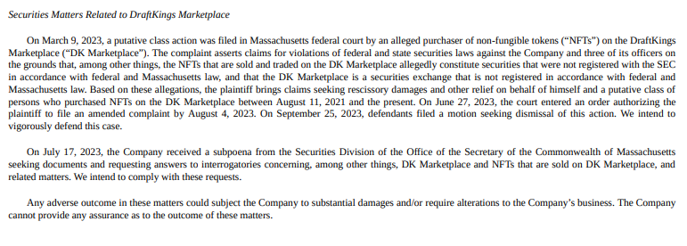
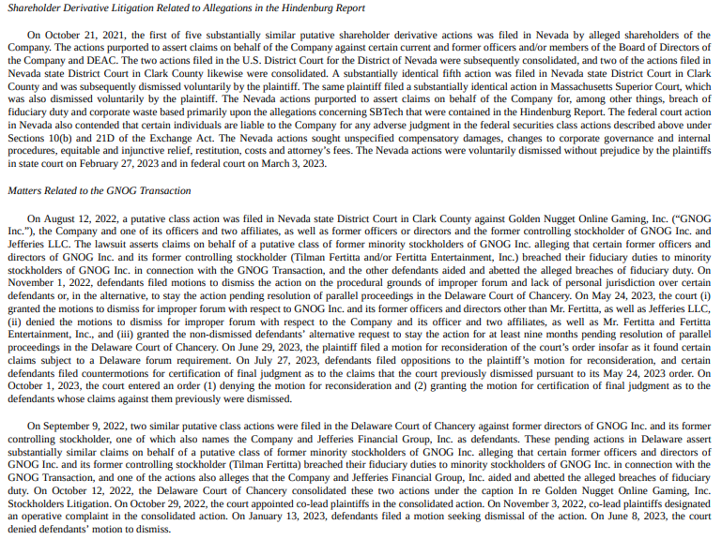
MUP Metrics |  |  |  | Financial Highlights |  |  |  | IMPORTANT READ REGARDING HINDENBURG REPORT | Unregistered securities allegations
 |  |  |  | 3 Months Ended 9/30/23 |  |  | Pro/Con
 |  |  |  | Revenue - Increase of 57.4% YoY in Q3 |  |  | Pro
MUP - Monthly unique paid users (players who win money) |  |  |  | Cost of revenue - Increase of 45.8% YoY in Q3 |  |  | Con
 |  |  |  | Cost of revenue as a percentage of revenue - decrease of 5.5% YoY in Q3 |  |  | Pro
 | (In Millions) |  |  | Sales & marketing expense - decreased 2.6% YoY in Q3 |  |  | Pro
 |  | Q3 2022 | Q3 2023 | Product & Technology expense - increased by 16.7% YoY in Q3 |  |  | Con
 | MUP | 1.6 | 2.3 | General & admin expense - decreased by 29.8% YoY in Q3 |  |  | Pro
 | MUP (Average) | 1.7 | 2.4
 |  |  |  | Other income, net - decreased by 1.2M due to tax indemnity |  |  | Con
Average revenue per MUP |  |  |  | Net loss - decreased by 167.4M to 283.1M in Q3 2023; compared to net loss of 450.5M in Q3 2022 |  |  | Pro

 | (In Milllions) |  |  | 9 Months Ended 9/30/23 |  |  | Pro/Con
 |  | Q3 2022 | Q3 2023
 | ARPMUP | $100 | $114 | Revenue - increased by 75.7% YoY |  |  | Pro
 |  |  |  | Cost of revenue - increased by 57.7% |  |  | Con
*These numbers reflect current acqusitions & new operating states |  |  |  | Cost of revenue as a percentage of revenue - decrease of 7.4% |  |  | Pro |  | DKNG plans to defend vigorously - don’t think it is a red flag for now but crypto functions/transactions in general are high risk for a digital company
 |  |  |  | Sales & marketing expense - increased 8.2% |  |  | Con
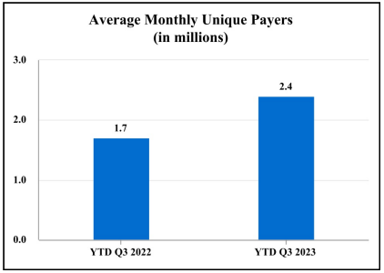
 |  |  |  | Product & Technology expense - increased by 13.7% |  |  | Con
 |  |  |  | General & admin expense - decreased by 27.6% |  |  | Pro

 |  |  |  | Other income, net - decreased by 1.2M due to tax indemnity |  |  | Con
 |  |  |  | Net loss - decreased by 377.8M |  |  | Pro

 |  |  |  | Liquidity & Capital Resources

 |  |  |  | Cash |  | 1.1B on hand as of 9/30/23 - sufficient to meet working capital needs

 |  |  |  | Debt | 1 | Convertible notes mature on 3/15/2028 in the amount of 1.265B
 |  |  |  |  | 2 | DKNG entered into "capped call transactions" & are expected to generally reduce dilution to class A common stock
 |  |  |  |  | 3 | The cost of CCT was recorded as a reduction to additional paid-in-capital on the consol. Balance sheet

 |  |  |  | Leases |  | Lease obligations of 89.1M, 12.1M which is payable within 12 months
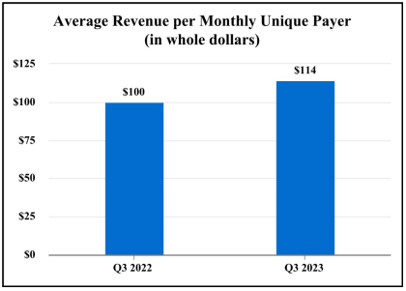
 |  |  |  | Other purchase obligations |  | 1.485B total, 126.7M payable in the remainder of 2023

